Pictures
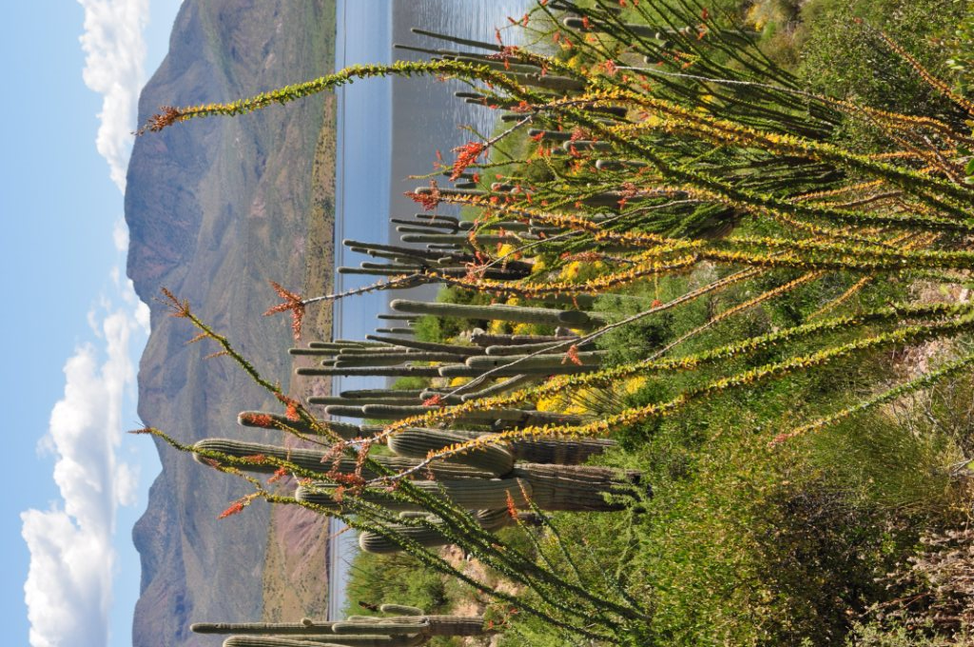
 | Roosevelt Lake
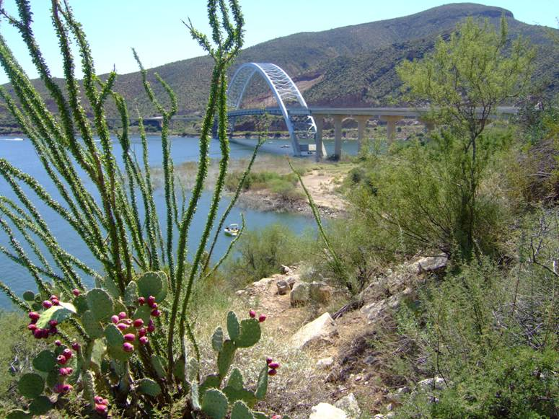

Claypool, showing Walmart Start/Finish

